Assingment 3 - Formating2
Add arrows to show increase/ decrese in 'nav' as compared to previous day. It should look like the image as shown. |  |  |  | Add Data bars in next column. It should look like the image as shown.
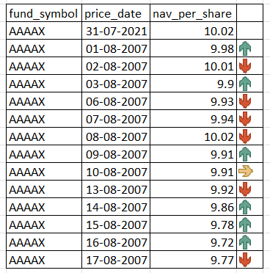
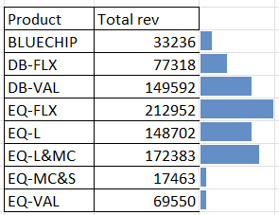
fund_symbol | price_date | nav_per_share
AAAAX | 31-Jul-21 | 10.02 | 10.02 | Product | Total rev
AAAAX | 2-Aug-21 | 9.98 | 9.98 | BLUECHIP | 33236 | 33236
AAAAX | 3-Aug-21 | 10.01 | 10.01 | DB-FLX | 77318 | 77318
AAAAX | 4-Aug-21 | 9.9 | 9.9 | DB-VAL | 149592 | 149592
AAAAX | 5-Aug-21 | 9.93 | 9.93 | EQ-FLX | 212952 | 212952
AAAAX | 6-Aug-21 | 9.94 | 9.94 | EQ-L | 148702 | 148702
AAAAX | 9-Aug-21 | 10.02 | 10.02 | EQ-L&MC | 172383 | 172383
AAAAX | 10-Aug-21 | 9.91 | 9.91 | EQ-MC&S | 17463 | 17463
AAAAX | 11-Aug-21 | 9.91 | 9.91 | EQ-VAL | 69550 | 69550
AAAAX | 12-Aug-21 | 9.92 | 9.92
AAAAX | 13-Aug-21 | 9.86 | 9.86
AAAAX | 16-Aug-21 | 9.78 | 9.78
AAAAX | 17-Aug-21 | 9.72 | 9.72
AAAAX | 18-Aug-21 | 9.77 | 9.77

Assingment 5 -Sheet1 (2)
All the Country name starts with letter "F" |  |  |  |  | Screenshot

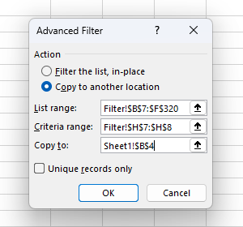
ID | Segment | Country | Date | Profit
2 | Government | France | 2021-10-01 | 165656
3 | Government | France | 2021-03-01 | 25467
5 | Government | France | 2021-09-01 | 135801
13 | Government | France | 2021-12-01 | 201069
25 | Channel Partners | France | 2021-09-01 | 60921
26 | Enterprise | France | 2021-01-01 | 180969
31 | Channel Partners | France | 2021-08-01 | 87532
32 | Small Business | France | 2021-12-01 | 82089
34 | Midmarket | France | 2021-07-01 | 57399
47 | Government | France | 2021-01-01 | 48442
49 | Government | France | 2021-11-01 | 146394
56 | Government | France | 2021-06-01 | 137843
57 | Government | France | 2021-07-01 | 96209
63 | Government | France | 2021-06-01 | 7110
79 | Government | France | 2021-06-01 | 234786
83 | Midmarket | France | 2021-11-01 | 25301
89 | Channel Partners | France | 2021-11-01 | 211082
95 | Small Business | France | 2021-10-01 | 13328
97 | Channel Partners | France | 2021-05-01 | 258583
99 | Midmarket | France | 2021-09-01 | 147727
100 | Enterprise | France | 2021-08-01 | 109849
101 | Midmarket | France | 2021-10-01 | 231047
113 | Enterprise | France | 2021-07-01 | 26819
114 | Midmarket | France | 2021-06-01 | 139728
117 | Enterprise | France | 2021-05-01 | 57755
123 | Government | France | 2021-06-01 | 115261
125 | Government | France | 2021-12-01 | 9682
133 | Government | France | 2021-01-01 | 142596
134 | Government | France | 2021-06-01 | 165992
138 | Government | France | 2021-07-01 | 44394
144 | Government | France | 2021-04-01 | 35096
151 | Government | France | 2021-07-01 | 173616
156 | Midmarket | France | 2021-06-01 | 95791
164 | Channel Partners | France | 2021-12-01 | 112636
167 | Channel Partners | France | 2021-05-01 | 223042
168 | Small Business | France | 2021-07-01 | 185869
169 | Small Business | France | 2021-04-01 | 73394
170 | Midmarket | France | 2021-06-01 | 254580
176 | Midmarket | France | 2021-04-01 | 259
182 | Enterprise | France | 2021-05-01 | 164464
189 | Government | France | 2021-02-01 | 210276
190 | Government | France | 2021-02-01 | 86142
203 | Enterprise | France | 2021-12-01 | 71529
207 | Channel Partners | France | 2021-09-01 | 258051
217 | Midmarket | France | 2021-06-01 | 159478
220 | Channel Partners | France | 2021-04-01 | 89649
221 | Enterprise | France | 2021-04-01 | 42319
222 | Small Business | France | 2021-05-01 | 1519
229 | Enterprise | France | 2021-12-01 | 12709
231 | Channel Partners | France | 2021-11-01 | 39271
234 | Enterprise | France | 2021-10-01 | 236531
235 | Midmarket | France | 2021-10-01 | 128249
236 | Enterprise | France | 2021-12-01 | 210352
238 | Midmarket | France | 2021-03-01 | 117440
240 | Government | France | 2021-01-01 | 151301
248 | Government | France | 2021-07-01 | 89802
249 | Government | France | 2021-08-01 | 23250
257 | Government | France | 2021-08-01 | 7382
261 | Government | France | 2021-06-01 | 7190
266 | Government | France | 2021-02-01 | 134107
269 | Government | France | 2021-01-01 | 28289
274 | Midmarket | France | 2021-12-01 | 100956
284 | Channel Partners | France | 2021-11-01 | 195638
292 | Midmarket | France | 2021-02-01 | 11682
306 | Midmarket | France | 2021-10-01 | 86076
309 | Midmarket | France | 2021-04-01 | 51383
311 | Midmarket | France | 2021-07-01 | 176652

Assingment 5 -Sheet2
The data in Quarter 3 |  |  |  |  | Screenshot

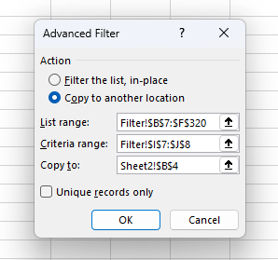
ID | Segment | Country | Date | Profit
5 | Government | France | 2021-09-01 | 135801
10 | Government | United States of America | 2021-07-01 | -34980
23 | Small Business | Mexico | 2021-08-01 | 149617
25 | Channel Partners | France | 2021-09-01 | 60921
28 | Midmarket | Canada | 2021-07-01 | 12909
30 | Midmarket | Canada | 2021-07-01 | 36046
31 | Channel Partners | France | 2021-08-01 | 87532
33 | Channel Partners | Mexico | 2021-09-01 | 242254
34 | Midmarket | France | 2021-07-01 | 57399
36 | Channel Partners | Canada | 2021-08-01 | 55010
40 | Enterprise | Mexico | 2021-08-01 | 86220
43 | Small Business | Germany | 2021-08-01 | 17711
52 | Government | United States of America | 2021-07-01 | 5850
55 | Government | Mexico | 2021-08-01 | 131983
57 | Government | France | 2021-07-01 | 96209
61 | Government | Mexico | 2021-08-01 | 19225
75 | Government | Canada | 2021-07-01 | 7819
76 | Government | United States of America | 2021-09-01 | 193691
77 | Government | United States of America | 2021-07-01 | 229218
81 | Midmarket | Germany | 2021-08-01 | 22746
82 | Midmarket | United States of America | 2021-08-01 | 85536
84 | Channel Partners | United States of America | 2021-07-01 | 152936
85 | Channel Partners | United States of America | 2021-08-01 | 124717
87 | Enterprise | Canada | 2021-08-01 | 99343
99 | Midmarket | France | 2021-09-01 | 147727
100 | Enterprise | France | 2021-08-01 | 109849
102 | Channel Partners | Mexico | 2021-07-01 | 219148
106 | Midmarket | Mexico | 2021-09-01 | 213879
111 | Enterprise | Germany | 2021-07-01 | 36547
113 | Enterprise | France | 2021-07-01 | 26819
115 | Enterprise | Germany | 2021-09-01 | 220591
118 | Small Business | Germany | 2021-08-01 | 102572
119 | Midmarket | Canada | 2021-08-01 | 229197
120 | Enterprise | Germany | 2021-08-01 | 19002
121 | Government | Mexico | 2021-09-01 | 209590
132 | Government | United States of America | 2021-09-01 | 27327
138 | Government | France | 2021-07-01 | 44394
139 | Government | Mexico | 2021-09-01 | 217075
142 | Government | Canada | 2021-08-01 | 217962
145 | Government | Canada | 2021-07-01 | 64755
148 | Government | Mexico | 2021-08-01 | 191733
150 | Government | United States of America | 2021-09-01 | 242971
151 | Government | France | 2021-07-01 | 173616
166 | Enterprise | Canada | 2021-07-01 | 23560
168 | Small Business | France | 2021-07-01 | 185869
187 | Government | United States of America | 2021-08-01 | 67090
188 | Government | United States of America | 2021-09-01 | 13179
192 | Government | Germany | 2021-07-01 | 86843
196 | Government | United States of America | 2021-07-01 | 103592
198 | Government | Mexico | 2021-07-01 | 138473
200 | Government | United States of America | 2021-08-01 | 10877
201 | Midmarket | Mexico | 2021-08-01 | 155980
202 | Enterprise | Germany | 2021-08-01 | 23010
206 | Small Business | Germany | 2021-07-01 | 121986
207 | Channel Partners | France | 2021-09-01 | 258051
211 | Small Business | Germany | 2021-09-01 | 160752
216 | Small Business | United States of America | 2021-08-01 | 110965
223 | Midmarket | Mexico | 2021-08-01 | 78549
232 | Channel Partners | Mexico | 2021-09-01 | 208038
233 | Midmarket | Mexico | 2021-07-01 | 12894
239 | Small Business | Canada | 2021-09-01 | 256402
247 | Government | United States of America | 2021-09-01 | 261354
248 | Government | France | 2021-07-01 | 89802
249 | Government | France | 2021-08-01 | 23250
251 | Government | United States of America | 2021-07-01 | 52513
254 | Government | Canada | 2021-07-01 | 159745
257 | Government | France | 2021-08-01 | 7382
263 | Government | Germany | 2021-09-01 | 200584
264 | Government | Mexico | 2021-07-01 | 235104
265 | Government | Canada | 2021-09-01 | 55991
273 | Enterprise | Canada | 2021-07-01 | 104422
276 | Channel Partners | United States of America | 2021-07-01 | 59920
282 | Small Business | Canada | 2021-08-01 | 216458
288 | Small Business | Mexico | 2021-07-01 | 226327
291 | Small Business | United States of America | 2021-09-01 | 12156
298 | Midmarket | United States of America | 2021-09-01 | 98246
300 | Channel Partners | United States of America | 2021-09-01 | 74093
302 | Enterprise | Mexico | 2021-08-01 | 75634
308 | Midmarket | United States of America | 2021-07-01 | -39689
310 | Channel Partners | United States of America | 2021-07-01 | 252080
311 | Midmarket | France | 2021-07-01 | 176652
313 | Enterprise | Germany | 2021-08-01 | 7269

Assingment 8 - Sorted Result
Sorted Result |  |  |  |  | Screenshot
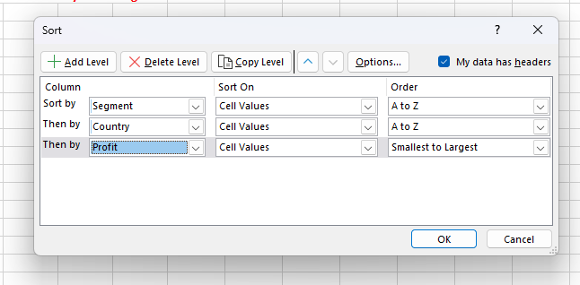
ID | Segment | Country | Date | Profit
8 | Government | Mexico | 2021-06-01 | 108879
27 | Government | France | 2021-10-01 | 165656
33 | Government | France | 2021-03-01 | 25467
38 | Government | Germany | 2021-03-01 | 16452
46 | Government | France | 2021-09-01 | 135801
72 | Government | Germany | 2021-06-01 | 247286
84 | Government | United States of America | 2021-04-01 | 191293
88 | Government | Canada | 2021-01-01 | 36125
111 | Government | United States of America | 2021-01-01 | 123287
113 | Government | United States of America | 2021-07-01 | -34980
115 | Government | Germany | 2021-05-01 | 72086
127 | Government | United States of America | 2021-10-01 | 84660
128 | Government | France | 2021-12-01 | 201069
131 | Government | United States of America | 2021-12-01 | 74221
165 | Government | Germany | 2021-06-01 | 155904
174 | Government | Mexico | 2021-10-01 | -37886
184 | Government | Germany | 2021-12-01 | 169991
211 | Government | United States of America | 2021-11-01 | 207031
221 | Government | Mexico | 2021-11-01 | 39668
280 | Government | Canada | 2021-02-01 | 180474
282 | Government | United States of America | 2021-01-01 | -7921
302 | Midmarket | Germany | 2021-01-01 | 193122
309 | Small Business | Mexico | 2021-08-01 | 149617
325 | Midmarket | United States of America | 2021-10-01 | 93656
329 | Channel Partners | France | 2021-09-01 | 60921
342 | Enterprise | France | 2021-01-01 | 180969
346 | Channel Partners | Canada | 2021-05-01 | 166490
403 | Midmarket | Canada | 2021-07-01 | 12909
405 | Channel Partners | Canada | 2021-12-01 | 219249
413 | Midmarket | Canada | 2021-07-01 | 36046
423 | Channel Partners | France | 2021-08-01 | 87532
441 | Small Business | France | 2021-12-01 | 82089
451 | Channel Partners | Mexico | 2021-09-01 | 242254
482 | Midmarket | France | 2021-07-01 | 57399
492 | Small Business | Mexico | 2021-01-01 | 244677
526 | Channel Partners | Canada | 2021-08-01 | 55010
568 | Channel Partners | United States of America | 2021-12-01 | 142874
591 | Small Business | Mexico | 2021-12-01 | 166353
594 | Midmarket | Canada | 2021-12-01 | 47888
636 | Enterprise | Mexico | 2021-08-01 | 86220
640 | Small Business | Mexico | 2021-04-01 | 27542
659 | Enterprise | Mexico | 2021-04-01 | 173199
681 | Small Business | Germany | 2021-08-01 | 17711
686 | Channel Partners | Mexico | 2021-10-01 | 18670
688 | Channel Partners | Germany | 2021-03-01 | 87460
695 | Channel Partners | Canada | 2021-06-01 | 17043
706 | Government | France | 2021-01-01 | 48442
728 | Government | United States of America | 2021-04-01 | 175220
733 | Government | France | 2021-11-01 | 146394
738 | Government | Germany | 2021-12-01 | 158679
739 | Government | Canada | 2021-11-01 | 86186
748 | Government | United States of America | 2021-07-01 | 5850
762 | Government | United States of America | 2021-06-01 | -15140
777 | Government | Mexico | 2021-06-01 | 190517
780 | Government | Mexico | 2021-08-01 | 131983
796 | Government | France | 2021-06-01 | 137843
803 | Government | France | 2021-07-01 | 96209
805 | Government | Canada | 2021-02-01 | 134977
819 | Government | Canada | 2021-05-01 | 59423
825 | Government | Canada | 2021-06-01 | 32352
842 | Government | Mexico | 2021-08-01 | 19225
858 | Government | Mexico | 2021-03-01 | 150851
864 | Government | France | 2021-06-01 | 7110
867 | Government | Mexico | 2021-06-01 | 259896
870 | Government | Canada | 2021-11-01 | 222162
874 | Government | Mexico | 2021-10-01 | 5652
891 | Government | United States of America | 2021-02-01 | 173392
893 | Government | Mexico | 2021-02-01 | 230726
894 | Government | United States of America | 2021-10-01 | 154630
911 | Government | United States of America | 2021-06-01 | 161165
926 | Government | Germany | 2021-06-01 | 6105
930 | Government | Mexico | 2021-03-01 | 34334
949 | Government | Canada | 2021-12-01 | 8406
950 | Government | Canada | 2021-06-01 | 27137
952 | Government | Canada | 2021-07-01 | 7819
963 | Government | United States of America | 2021-09-01 | 193691
973 | Government | United States of America | 2021-07-01 | 229218
977 | Government | Mexico | 2021-05-01 | 82968
979 | Government | France | 2021-06-01 | 234786
983 | Government | United States of America | 2021-10-01 | 249705
1004 | Midmarket | Germany | 2021-08-01 | 22746
1011 | Midmarket | United States of America | 2021-08-01 | 85536
1019 | Midmarket | France | 2021-11-01 | 25301
1022 | Channel Partners | United States of America | 2021-07-01 | 152936
1024 | Channel Partners | United States of America | 2021-08-01 | 124717
1037 | Enterprise | United States of America | 2021-12-01 | 198140
1045 | Enterprise | Canada | 2021-08-01 | 99343
1048 | Channel Partners | United States of America | 2021-01-01 | 41318
1053 | Channel Partners | France | 2021-11-01 | 211082
1070 | Small Business | United States of America | 2021-01-01 | 8675
1079 | Small Business | Germany | 2021-03-01 | 132363
1084 | Midmarket | Mexico | 2021-12-01 | 130275
1091 | Small Business | United States of America | 2021-10-01 | 174302
1107 | Enterprise | Germany | 2021-03-01 | 126174
1112 | Small Business | France | 2021-10-01 | 13328
1115 | Small Business | Canada | 2021-03-01 | 48808
1121 | Channel Partners | France | 2021-05-01 | 258583
1191 | Midmarket | Mexico | 2021-02-01 | 33850
1200 | Midmarket | France | 2021-09-01 | 147727
1210 | Enterprise | France | 2021-08-01 | 109849
1227 | Midmarket | France | 2021-10-01 | 231047
1244 | Channel Partners | Mexico | 2021-07-01 | 219148
1253 | Midmarket | Canada | 2021-02-01 | 187979
1256 | Enterprise | Mexico | 2021-06-01 | 91931
1260 | Small Business | United States of America | 2021-12-01 | 152076
1269 | Midmarket | Mexico | 2021-09-01 | 213879
1285 | Small Business | Mexico | 2021-02-01 | 7298
1296 | Midmarket | United States of America | 2021-01-01 | 1661
1307 | Enterprise | Mexico | 2021-02-01 | 13845
1324 | Midmarket | Germany | 2021-11-01 | 188860
1329 | Enterprise | Germany | 2021-07-01 | 36547
1331 | Small Business | United States of America | 2021-12-01 | 60882
1332 | Enterprise | France | 2021-07-01 | 26819
1342 | Midmarket | France | 2021-06-01 | 139728
1353 | Enterprise | Germany | 2021-09-01 | 220591
1355 | Midmarket | United States of America | 2021-06-01 | 216695
1377 | Enterprise | France | 2021-05-01 | 57755
1381 | Small Business | Germany | 2021-08-01 | 102572
1396 | Midmarket | Canada | 2021-08-01 | 229197
1398 | Enterprise | Germany | 2021-08-01 | 19002
1413 | Government | Mexico | 2021-09-01 | 209590
1415 | Government | Canada | 2021-12-01 | 135311
1429 | Government | France | 2021-06-01 | 115261
1434 | Government | Mexico | 2021-04-01 | 220171
1446 | Government | France | 2021-12-01 | 9682
1471 | Government | Germany | 2021-12-01 | 81048
1488 | Government | Canada | 2021-02-01 | 155266
1489 | Government | Germany | 2021-05-01 | 24879
1505 | Government | Canada | 2021-10-01 | 24838
1525 | Government | Canada | 2021-02-01 | 105602
1526 | Government | United States of America | 2021-04-01 | 214102
1531 | Government | United States of America | 2021-09-01 | 27327
1537 | Government | France | 2021-01-01 | 142596
1540 | Government | France | 2021-06-01 | 165992
1547 | Government | United States of America | 2021-12-01 | 129328
1553 | Government | Mexico | 2021-10-01 | 86460
1567 | Government | Mexico | 2021-02-01 | 22003
1572 | Government | France | 2021-07-01 | 44394
1574 | Government | Mexico | 2021-09-01 | 217075
1583 | Government | Germany | 2021-02-01 | 56810
1590 | Government | Mexico | 2021-10-01 | 169915
1615 | Government | Canada | 2021-08-01 | 217962
1624 | Government | Canada | 2021-05-01 | 166824
1636 | Government | France | 2021-04-01 | 35096
1653 | Government | Canada | 2021-07-01 | 64755
1667 | Government | Germany | 2021-05-01 | 8950
1668 | Government | Germany | 2021-01-01 | 210209
1674 | Government | Mexico | 2021-08-01 | 191733
1675 | Government | Canada | 2021-04-01 | 137705
1683 | Government | United States of America | 2021-09-01 | 242971
1686 | Government | France | 2021-07-01 | 173616
1688 | Government | Germany | 2021-02-01 | 168122
1691 | Government | Germany | 2021-12-01 | 151084
1706 | Channel Partners | Germany | 2021-04-01 | 247904
1709 | Small Business | Mexico | 2021-02-01 | 33876
1719 | Midmarket | France | 2021-06-01 | 95791
1722 | Channel Partners | United States of America | 2021-04-01 | 201120
1727 | Channel Partners | Canada | 2021-04-01 | 196137
1743 | Channel Partners | United States of America | 2021-01-01 | 6345
1746 | Channel Partners | Canada | 2021-01-01 | 60394
1774 | Midmarket | Germany | 2021-01-01 | 208053
1776 | Midmarket | Mexico | 2021-04-01 | 216555
1782 | Channel Partners | United States of America | 2021-03-01 | 30219
1783 | Channel Partners | France | 2021-12-01 | 112636
1788 | Channel Partners | Mexico | 2021-05-01 | 232025
1809 | Enterprise | Canada | 2021-07-01 | 23560
1823 | Channel Partners | France | 2021-05-01 | 223042
1829 | Small Business | France | 2021-07-01 | 185869
1833 | Small Business | France | 2021-04-01 | 73394
1839 | Midmarket | France | 2021-06-01 | 254580
1848 | Small Business | United States of America | 2021-10-01 | 175018
1868 | Small Business | United States of America | 2021-01-01 | 248756
1903 | Midmarket | Canada | 2021-12-01 | 22305
1912 | Midmarket | Mexico | 2021-02-01 | 5187
1964 | Small Business | Canada | 2021-01-01 | 100486
1975 | Midmarket | France | 2021-04-01 | 259
1989 | Channel Partners | Germany | 2021-04-01 | 61230
2000 | Midmarket | Germany | 2021-03-01 | 29435
2001 | Channel Partners | Germany | 2021-02-01 | 74022
2009 | Enterprise | Germany | 2021-05-01 | 124153
2033 | Midmarket | Canada | 2021-10-01 | 225220
2044 | Enterprise | France | 2021-05-01 | 164464
2099 | Midmarket | Germany | 2021-04-01 | 145328
2100 | Channel Partners | United States of America | 2021-04-01 | 189847
2136 | Government | Canada | 2021-05-01 | 240648
2176 | Government | Mexico | 2021-04-01 | 73163
2184 | Government | United States of America | 2021-08-01 | 67090
2187 | Government | United States of America | 2021-09-01 | 13179
2207 | Government | France | 2021-02-01 | 210276
2214 | Government | France | 2021-02-01 | 86142
2239 | Government | Mexico | 2021-04-01 | 203878
2245 | Government | Germany | 2021-07-01 | 86843
2259 | Government | Germany | 2021-12-01 | -21877
2301 | Government | Germany | 2021-01-01 | 95623
2318 | Government | United States of America | 2021-12-01 | 244284
2333 | Government | United States of America | 2021-07-01 | 103592
2352 | Government | Canada | 2021-06-01 | 17150
2369 | Government | Mexico | 2021-07-01 | 138473
2376 | Government | United States of America | 2021-04-01 | 81846
2390 | Government | United States of America | 2021-08-01 | 10877
2407 | Midmarket | Mexico | 2021-08-01 | 155980
2423 | Enterprise | Germany | 2021-08-01 | 23010
2439 | Enterprise | France | 2021-12-01 | 71529
2441 | Small Business | Mexico | 2021-10-01 | 39494
2455 | Enterprise | Mexico | 2021-02-01 | 157993
2458 | Small Business | Germany | 2021-07-01 | 121986
2466 | Channel Partners | France | 2021-09-01 | 258051
2474 | Midmarket | Germany | 2021-01-01 | 6460
2475 | Channel Partners | Germany | 2021-03-01 | 114470
2478 | Midmarket | Canada | 2021-02-01 | 8721
2479 | Small Business | Germany | 2021-09-01 | 160752
2480 | Small Business | Germany | 2021-12-01 | 1365
2486 | Midmarket | United States of America | 2021-12-01 | 54633
2495 | Small Business | Mexico | 2021-06-01 | 130437
2511 | Midmarket | Germany | 2021-05-01 | 53266
2537 | Small Business | United States of America | 2021-08-01 | 110965
2539 | Midmarket | France | 2021-06-01 | 159478
2549 | Small Business | Mexico | 2021-06-01 | 96983
2561 | Midmarket | Mexico | 2021-02-01 | 15238
2577 | Channel Partners | France | 2021-04-01 | 89649
2580 | Enterprise | France | 2021-04-01 | 42319
2601 | Small Business | France | 2021-05-01 | 1519
2619 | Midmarket | Mexico | 2021-08-01 | 78549
2621 | Enterprise | Mexico | 2021-05-01 | 1696
2642 | Midmarket | Canada | 2021-02-01 | 252387
2654 | Enterprise | Mexico | 2021-02-01 | 27849
2655 | Midmarket | Canada | 2021-04-01 | 173334
2657 | Small Business | United States of America | 2021-04-01 | 221658
2670 | Enterprise | France | 2021-12-01 | 12709
2705 | Small Business | Germany | 2021-03-01 | 6845
2715 | Channel Partners | France | 2021-11-01 | 39271
2716 | Channel Partners | Mexico | 2021-09-01 | 208038
2735 | Midmarket | Mexico | 2021-07-01 | 12894
2739 | Enterprise | France | 2021-10-01 | 236531
2742 | Midmarket | France | 2021-10-01 | 128249
2744 | Enterprise | France | 2021-12-01 | 210352
2749 | Midmarket | Germany | 2021-03-01 | 133951
2754 | Midmarket | France | 2021-03-01 | 117440
2778 | Small Business | Canada | 2021-09-01 | 256402
2811 | Government | France | 2021-01-01 | 151301
2816 | Government | Germany | 2021-11-01 | 74813
2821 | Government | Germany | 2021-01-01 | 161532
2839 | Government | Canada | 2021-11-01 | 63494
2847 | Government | Mexico | 2021-11-01 | 8463
2852 | Government | Mexico | 2021-12-01 | 9630
2862 | Government | United States of America | 2021-10-01 | 139432
2881 | Government | United States of America | 2021-09-01 | 261354
2896 | Government | France | 2021-07-01 | 89802
2897 | Government | France | 2021-08-01 | 23250
2899 | Government | United States of America | 2021-11-01 | 156072
2910 | Government | United States of America | 2021-07-01 | 52513
2913 | Government | United States of America | 2021-01-01 | 25860
2916 | Government | Canada | 2021-04-01 | 244904
2925 | Government | Canada | 2021-07-01 | 159745
2933 | Government | United States of America | 2021-01-01 | 6256
2958 | Government | Mexico | 2021-02-01 | 194150
2972 | Government | France | 2021-08-01 | 7382
3013 | Government | United States of America | 2021-05-01 | 26172
3018 | Government | United States of America | 2021-11-01 | 223295
3027 | Government | Canada | 2021-06-01 | 213069
3036 | Government | France | 2021-06-01 | 7190
3050 | Government | Canada | 2021-03-01 | 51626
3051 | Government | Germany | 2021-09-01 | 200584
3059 | Government | Mexico | 2021-07-01 | 235104
3080 | Government | Canada | 2021-09-01 | 55991
3085 | Government | France | 2021-02-01 | 134107
3088 | Government | Germany | 2021-10-01 | 104379
3093 | Government | Mexico | 2021-10-01 | 22810
3094 | Government | France | 2021-01-01 | 28289
3099 | Government | Mexico | 2021-06-01 | 65162
3103 | Midmarket | Mexico | 2021-03-01 | 201340
3106 | Channel Partners | Germany | 2021-11-01 | 55433
3108 | Enterprise | Canada | 2021-07-01 | 104422
3119 | Midmarket | France | 2021-12-01 | 100956
3120 | Midmarket | Germany | 2021-04-01 | 135272
3122 | Channel Partners | United States of America | 2021-07-01 | 59920
3125 | Midmarket | United States of America | 2021-10-01 | 163127
3127 | Channel Partners | Canada | 2021-12-01 | 232472
3138 | Enterprise | United States of America | 2021-11-01 | 28110
3145 | Enterprise | Canada | 2021-01-01 | 40778
3159 | Small Business | Mexico | 2021-01-01 | 219774
3173 | Small Business | Canada | 2021-08-01 | 216458
3179 | Small Business | Germany | 2021-03-01 | 39973
3189 | Channel Partners | France | 2021-11-01 | 195638
3224 | Channel Partners | Germany | 2021-01-01 | 256329
3249 | Small Business | Mexico | 2021-06-01 | 11238
3250 | Midmarket | Germany | 2021-11-01 | 20238
3252 | Small Business | Mexico | 2021-07-01 | 226327
3265 | Channel Partners | United States of America | 2021-02-01 | 192728
3268 | Small Business | United States of America | 2021-10-01 | 245470
3287 | Small Business | United States of America | 2021-09-01 | 12156
3294 | Midmarket | France | 2021-02-01 | 11682
3295 | Enterprise | Canada | 2021-11-01 | 161110
3305 | Channel Partners | Mexico | 2021-03-01 | 155535
3307 | Channel Partners | Germany | 2021-06-01 | 223894
3312 | Midmarket | Mexico | 2021-04-01 | 22839
3331 | Channel Partners | Canada | 2021-06-01 | -14202
3333 | Midmarket | United States of America | 2021-09-01 | 98246
3361 | Small Business | Canada | 2021-05-01 | 111998
3379 | Channel Partners | United States of America | 2021-09-01 | 74093
3394 | Midmarket | Canada | 2021-11-01 | 40179
3399 | Enterprise | Mexico | 2021-08-01 | 75634
3412 | Small Business | Canada | 2021-02-01 | -11610
3423 | Enterprise | Canada | 2021-06-01 | 34080
3440 | Small Business | Mexico | 2021-05-01 | 239368
3442 | Midmarket | France | 2021-10-01 | 86076
3443 | Enterprise | United States of America | 2021-03-01 | 75969
3450 | Midmarket | United States of America | 2021-07-01 | -39689
3454 | Midmarket | France | 2021-04-01 | 51383
3469 | Channel Partners | United States of America | 2021-07-01 | 252080
3471 | Midmarket | France | 2021-07-01 | 176652
3479 | Small Business | United States of America | 2021-05-01 | 125616
3498 | Enterprise | Germany | 2021-08-01 | 7269

Assingment 11- Charts1
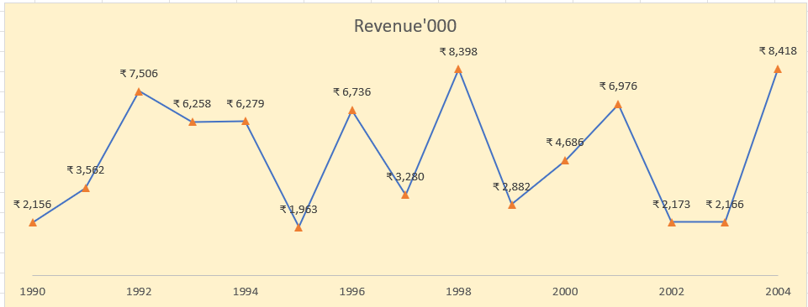
Revenue '000
Create Line Chart with Proper formatting
Should be formatted as shown in picture |  | Question Plot

Date | Revenue'000
1990 | ₹ 2,156
1991 | ₹ 3,562
1992 | ₹ 7,506
1993 | ₹ 6,258
1994 | ₹ 6,279
1995 | ₹ 1,963
1996 | ₹ 6,736
1997 | ₹ 3,280
1998 | ₹ 8,398
1999 | ₹ 2,882
2000 | ₹ 4,686
2001 | ₹ 6,976
2002 | ₹ 2,173
2003 | ₹ 2,166
2004 | ₹ 8,418

Assingment 11- Charts2
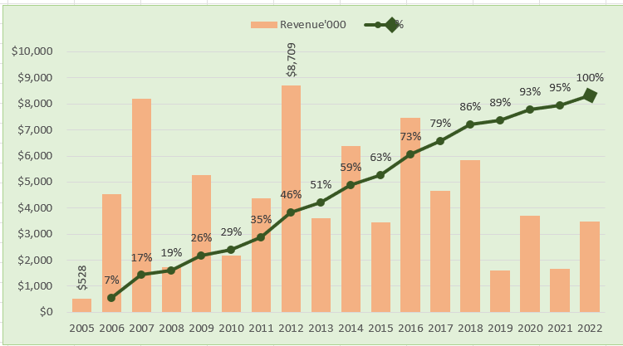
 | Revenue'000 | %
2005-01-01 | $528
2006-01-01 | $4,550 | 7%
2007-01-01 | $8,189 | 17%
2008-01-01 | $1,730 | 19%
2009-01-01 | $5,262 | 26%
2010-01-01 | $2,172 | 29%
2011-01-01 | $4,384 | 35%
2012-01-01 | $8,709 | 46%
2013-01-01 | $3,618 | 51%
2014-01-01 | $6,372 | 59%
2015-01-01 | $3,456 | 63%
2016-01-01 | $7,478 | 73%
2017-01-01 | $4,649 | 79%
2018-01-01 | $5,831 | 86%
2019-01-01 | $1,599 | 89%
2020-01-01 | $3,695 | 93%
2021-01-01 | $1,678 | 95%
2022-01-01 | $3,490 | 100%
Create Combo Chart with Proper formatting
Should be formatted as shown in picture |  |  |  | Question Plot

Date | Revenue'000 | Running Total | %
2005-01-01 | $528
2006-01-01 | $4,550 | 5,078.00 | 7%
2007-01-01 | $8,189 | 13,267.00 | 17%
2008-01-01 | $1,730 | 14,997.00 | 19%
2009-01-01 | $5,262 | 20,259.00 | 26%
2010-01-01 | $2,172 | 22,431.00 | 29%
2011-01-01 | $4,384 | 26,815.00 | 35%
2012-01-01 | $8,709 | 35,524.00 | 46%
2013-01-01 | $3,618 | 39,142.00 | 51%
2014-01-01 | $6,372 | 45,514.00 | 59%
2015-01-01 | $3,456 | 48,970.00 | 63%
2016-01-01 | $7,478 | 56,448.00 | 73%
2017-01-01 | $4,649 | 61,097.00 | 79%
2018-01-01 | $5,831 | 66,928.00 | 86%
2019-01-01 | $1,599 | 68,527.00 | 89%
2020-01-01 | $3,695 | 72,222.00 | 93%
2021-01-01 | $1,678 | 73,900.00 | 95%
2022-01-01 | $3,490 | 77,390.00 | 100%

Total | $77,390

Assingment 11- Charts3
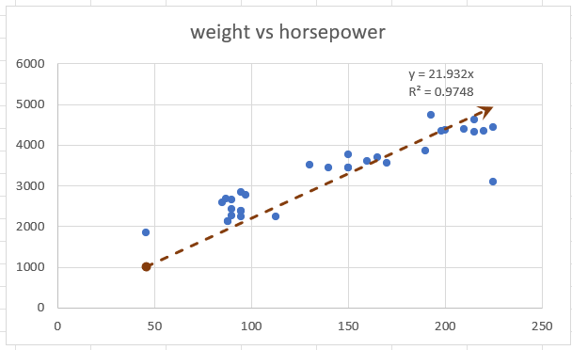
Weight vs Horsepower
Create Scatter Chart with Proper formatting
Should be formatted as shown in picture
X | Y |  |  | Question Plot
horsepower | weight | (X-XBAR) | (Y-YBAR)
130 | 3504
165 | 3693
150 | 3436
150 | 3433
140 | 3449
198 | 4341
220 | 4354
215 | 4312
225 | 4425
190 | 3850
170 | 3563
160 | 3609
150 | 3761
225 | 3086
95 | 2372
95 | 2833
97 | 2774
85 | 2587
88 | 2130
46 | 1835
87 | 2672
90 | 2430
95 | 2375
113 | 2234
90 | 2648
215 | 4615
200 | 4376
210 | 4382
193 | 4732
88 | 2130
90 | 2264
95 | 2228

Assingment 11- Charts5
 | Start Date | Work Days Planned
Main task 1 | 40081 | 159
Sub-task 1 | 40081 | 114
Sub-task 2 | 40119 | 88
Sub-task 3 | 40148 | 20
Sub-task 4 | 40148 | 45
Sub-task 5 | 40168 | 25
Sub-task 6 | 40182 | 25
Main task 2 | 40182 | 51
Sub-task 1 | 40182 | 7
Sub-task 2 | 40189 | 15
Sub-task 3 | 40203 | 30
 | Start Date | Work Days Planned
Main task 1 | 40081 | 159
Sub-task 1 | 40081 | 114
Sub-task 2 | 40119 | 88
Sub-task 3 | 40148 | 20
Sub-task 4 | 40148 | 45
Sub-task 5 | 40168 | 25
Sub-task 6 | 40182 | 25
Main task 2 | 40182 | 51
Sub-task 1 | 40182 | 7
Sub-task 2 | 40189 | 15
Sub-task 3 | 40203 | 30
Create Gantt Chart with Proper formatting
Should be formatted as shown in picture

Task Description | Start Date | Planned End Date | Work Days Planned
Main task 1 | 25-Sep-09 | 3-Mar-10 | 159
Sub-task 1 | 25-Sep-09 | 17-Jan-10 | 114
Sub-task 2 | 2-Nov-09 | 29-Jan-10 | 88
Sub-task 3 | 1-Dec-09 | 21-Dec-09 | 20
Sub-task 4 | 1-Dec-09 | 15-Jan-10 | 45
Sub-task 5 | 21-Dec-09 | 15-Jan-10 | 25
Sub-task 6 | 4-Jan-10 | 29-Jan-10 | 25
Main task 2 | 4-Jan-10 | 24-Feb-10 | 51
Sub-task 1 | 4-Jan-10 | 11-Jan-10 | 7
Sub-task 2 | 11-Jan-10 | 26-Jan-10 | 15
Sub-task 3 | 25-Jan-10 | 24-Feb-10 | 30

